Sheet1
 |  | Document No. | Issue No. | Issue Date |  | Review and Replace Date |  | Authorised By
 |  | GFF422MC | 2 | 06.12.2023 |  | 11.03.2024 |  | Magda Shah
 |  | Document Title | Sweet Chilli Sauce 130g
Document amendments reason for change |  | Shelf life Updated |  |  | Page 1 of 1 | Previous Issue Date | 06.12.2023 | Uncontrolled copy unless signed original

CVSCS-R9T | Gazebo |  | Sweet Chilli Sauce 130g
STEP 1 |  |  |  |  | STEP 2
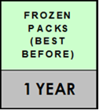 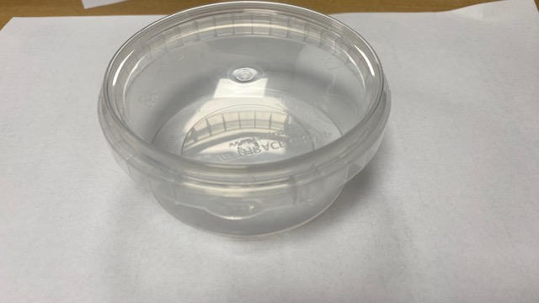 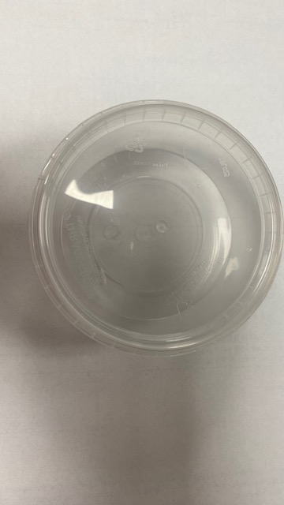 |  |  |  |  | 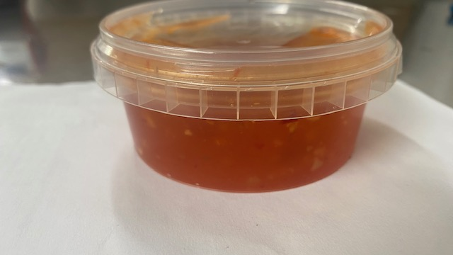

PACK + 1 YEAR

Cook & Defrost+ 18Days

Pot & Lid:180 ml Clear Pot + Lid- (PKVEN001-01) |  |  |  |  | Product : Sweet Chilli Sauce (GFF470R) 130g
TOTAL WEIGHT: 130 g

ALLERGY ALERT: None

